Traditional - Baker
TRADITIONAL - BAKER
 |  |  |  |  |  | 21% |  | 23% | 9% | 47%
 | Name | Market Share | Units Sold to Seg | Revision Date | Stock Out | Pfmn Coord | Size Coord | List Price | MTBF | Age Dec.31 | Promo Budget | Cust. Awareness | Sales Budget | Cust. Accessibility | Dec. Cust. Survey |  |  | Monthly Drift
 | Baker | 15% | 2,036 | 8/13/2031 |  | 9.9 | 10.1 | $23.50 | 19000 | 1.38 | $1,400 | 100% | $3,000 | 88% | 71 |  | Round | Performance | Size
 | Cake | 14% | 1,928 | 2031-04-07 |  | 9.9 | 10.1 | $24.50 | 19000 | 1.64 | $1,400 | 100% | $3,000 | 79% | 72 |  | 0 | 5.0 | 15.0
 | Eat | 14% | 1,928 | 8/21/2031 |  | 9.9 | 10.1 | $24.50 | 19000 | 1.43 | $1,400 | 100% | $3,500 | 89% | 67 |  | 2024-01-01 | 5.1 | 14.9
 | Able | 13% | 1,723 | 2031-03-11 |  | 9.9 | 10.1 | $23.25 | 19000 | 1.34 | $1,400 | 100% | $2,500 | 74% | 59 |  | 2024-02-01 | 5.1 | 14.9
 | Daze | 12% | 1,592 | 2031-06-11 |  | 9.9 | 10.1 | $24.50 | 19000 | 1.25 | $1,400 | 100% | $2,500 | 79% | 54 |  | 2024-03-01 | 5.2 | 14.8 | 1000 | 22.00% | 1000 | 0.07
 | Frog | 11% | 1,558 | 5/18/2031 | YES | 9.9 | 10.1 | $24.50 | 19000 | 1.52 | $2,000 | 100% | $2,500 | 96% | 73 |  | 2024-04-01 | 5.2 | 14.8 | 1400 | 33.00% | 2000 | 0.22
 | Fast | 11% | 1,479 | 11/23/2031 |  | 9.9 | 10.1 | $25.00 | 19000 | 1.78 | $1,500 | 100% | $2,500 | 96% | 79 |  | 2024-05-01 | 5.3 | 14.7 | 1500 | 36.00% | 3000 | 0.32
 | Duck | 11% | 1,436 | 6/27/2031 | YES | 9.9 | 10.1 | $25.00 | 19000 | 1.78 | $1,400 | 100% | $0 | 79% | 62 |  | 2024-06-01 | 5.4 | 14.7 | 2000 | 45.00% | 4500 | 0.35
 |  |  |  |  |  |  |  |  |  |  |  |  |  |  |  |  | 2024-07-01 | 5.4 | 14.6 | 3000 | 49.00%
 |  |  |  |  |  |  |  |  |  |  |  |  |  |  |  |  | 2024-08-01 | 5.5 | 14.5 | A good trick to play around with Promo and Sales its to set them all at 1000 and your forecast at zero.
 |  |  |  |  |  |  |  |  |  |  |  |  |  |  |  |  | 2024-09-01 | 5.5 | 14.5 | Then start increasing your promo or sales with intervals of 100 (1100 - 1200 - 1300 and so on) and look at the number at the end in the column "less promo and sales".
 |  |  |  |  |  |  |  |  |  |  |  |  |  |  |  |  | 2024-10-01 | 5.6 | 14.4 | That number will either increase or decrease, you should stop increasing your promo or sales when that number stops increasing, promo/sales return on investment has a diminishing return formula in the shape of a bell curve, this method helps you find the top of the bell without having to do too much math.
 |  |  |  |  |  |  |  |  |  |  |  |  |  |  |  |  | 2024-11-01 | 5.6 | 14.4 | https://www.reddit.com/r/Capsim/comments/b5wtxf/how_much_should_we_spend_in_promo_budget_and/
 |  |  |  |  |  |  |  |  |  |  |  |  |  |  |  |  | 2024-12-01 | 5.7 | 14.3
 |  |  |  |  |  |  |  |  |  |  |  |  |  |  |  |  | 2024-01-02 | 5.8 | 14.2
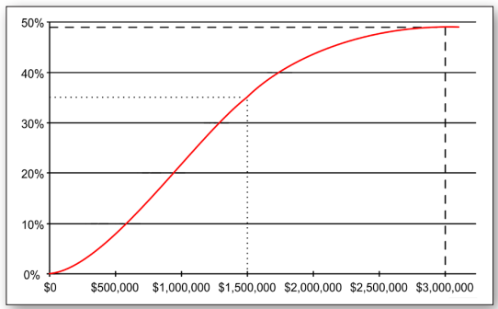
 |  |  |  |  |  |  |  |  |  |  |  |  |  |  |  |  | 2024-02-02 | 5.8 | 14.2
 |  |  | R&D |  |  |  |  |  |  |  |  |  |  |  |  |  | 2024-03-02 | 5.9 | 14.1
 |  |  | Forecast |  |  |  |  |  |  | MARKETING |  |  |  |  |  |  | 2024-04-02 | 5.9 | 14.1
Round | Performance | Size | MTBF |  | Age |  | Round | Price |  |  | Beginning Awareness | Promo Budget | Ending Awareness | Beginning Accessibility | Sales Budget | Ending Accessibility | 2024-05-02 | 6.0 | 14.0
 |  |  | Min | Max |  |  |  | Min | Max |  |  |  |  |  |  |  | 2024-06-02 | 6.1 | 14.0
0 (2024) | 5.00 | 15.00 | 14,000 | 19,000 | 2 years |  | 0 | $20.00 | $30.00 |  |  |  | 55% |  |  | 54% | 2024-07-02 | 6.1 | 13.9
1 (2025) | 5.70 | 14.30 | 14,000 | 19,000 | 2 years |  | 1 | $19.50 | $29.50 |  | 36.67% | 2,000.00 | 82% | 36.00% | 2,500.00 | 70% | 2024-08-02 | 6.2 | 13.8
2 (2026) | 6.40 | 13.60 | 14,000 | 19,000 | 2 years |  | 2 | $19.00 | $29.00 |  | 54.44% | 2,000.00 | 99% | 46.67% | 2,300.00 | 72% | 2024-09-02 | 6.2 | 13.8
3 (2027) | 7.10 | 12.90 | 14,000 | 19,000 | 2 years |  | 3 | $18.50 | $28.50 |  | 66.30% | 1,500.00 | 102% | 48.00% | 2,000.00 | 70% | 2024-10-02 | 6.3 | 13.7
4 (2028) | 7.80 | 12.20 | 14,000 | 19,000 | 2 years |  | 4 | $18.00 | $28.00 |  | 68.20% | 1,400.00 | 101% | 46.67% | 2,000.00 | 69% | 2024-11-02 | 6.3 | 13.7
5 (2029) | 8.50 | 11.50 | 14,000 | 19,000 | 2 years |  | 5 | $17.50 | $27.50 |  | 67.47% | 1,400.00 | 100% | 45.78% | 2,000.00 | 68% | 2024-12-02 | 6.4 | 13.6
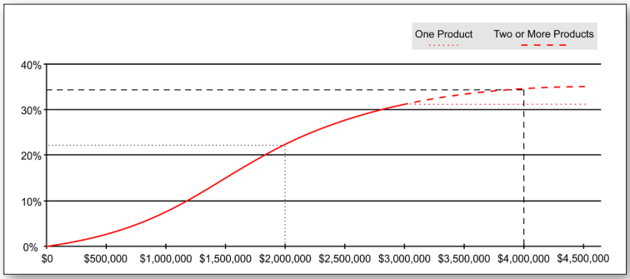
6 (2030) | 9.20 | 10.80 | 14,000 | 19,000 | 2 years |  | 6 | $17.00 | $27.00 |  | 66.98% | 1,400.00 | 100% | 45.19% | 2,000.00 | 67% | 2024-01-03 | 6.5 | 13.5
7 (2031) | 9.90 | 10.10 | 14,000 | 19,000 | 2 years |  | 7 | $16.50 | $26.50 |  | 66.65% | 1,400.00 | 100% | 44.79% | 2,000.00 | 67% | 2024-02-03 | 6.5 | 13.5
8 (2032) | 10.60 | 9.40 | 14,000 | 19,000 | 2 years |  | 8 | $16.00 | $26.00 |  | 66.43% | 1,400.00 | 99% | 44.53% | 2,000.00 | 67% | 2024-03-03 | 6.6 | 13.4
 |  |  |  |  |  |  |  |  |  |  |  |  |  |  |  |  | 2024-04-03 | 6.6 | 13.4
 |  |  |  |  |  |  |  |  |  |  |  |  |  |  |  |  | 2024-05-03 | 6.7 | 13.3
 |  |  |  |  |  |  |  |  |  |  |  |  |  |  |  |  | 2024-06-03 | 6.8 | 13.3
 |  |  |  |  |  |  |  |  |  |  |  |  |  |  |  |  | 2024-07-03 | 6.8 | 13.2
 |  |  |  |  |  |  |  |  |  |  |  |  |  |  |  |  | 2024-08-03 | 6.9 | 13.1
 |  |  |  |  |  |  |  |  |  |  |  |  |  |  |  |  | 2024-09-03 | 6.9 | 13.1
 |  |  |  |  |  |  |  |  |  |  |  |  |  |  |  |  | 2024-10-03 | 7.0 | 13.0
 |  |  |  |  |  |  |  |  |  |  |  |  |  |  |  |  | 2024-11-03 | 7.0 | 13.0
 |  |  |  |  |  |  |  |  |  |  |  |  |  |  |  |  | 2024-12-03 | 7.1 | 12.9
 |  |  |  |  |  |  |  |  |  |  |  |  |  |  |  |  | 2024-01-04 | 7.2 | 12.8
 |  |  |  |  |  |  |  |  |  |  |  |  |  |  |  |  | 2024-02-04 | 7.2 | 12.8
 |  |  |  |  |  |  |  |  |  |  |  |  |  |  |  |  | 2024-03-04 | 7.3 | 12.7
 |  |  |  |  |  |  |  |  |  |  |  |  |  |  |  |  | 2024-04-04 | 7.3 | 12.7
 |  |  |  |  |  |  |  |  |  |  |  |  |  |  |  |  | 2024-05-04 | 7.4 | 12.6
 |  |  |  |  |  |  |  |  |  |  |  |  |  |  |  |  | 2024-06-04 | 7.5 | 12.6
 |  |  |  |  |  |  |  |  |  |  |  |  |  |  |  |  | 2024-07-04 | 7.5 | 12.5
 |  |  |  |  |  |  |  |  |  |  |  |  |  |  |  |  | 2024-08-04 | 7.6 | 12.4
 |  |  |  |  |  |  |  |  |  |  |  |  |  |  |  |  | 2024-09-04 | 7.6 | 12.4
 |  |  |  |  |  |  |  |  |  |  |  |  |  |  |  |  | 2024-10-04 | 7.7 | 12.3
 |  |  |  |  |  |  |  |  |  |  |  |  |  |  |  |  | 2024-11-04 | 7.7 | 12.3
 |  |  |  |  |  |  |  |  |  |  |  |  |  |  |  |  | 2024-12-04 | 7.8 | 12.2
 |  |  |  |  |  |  |  |  |  |  |  |  |  |  |  |  | 2024-01-05 | 7.9 | 12.1
 |  |  |  |  |  |  |  |  |  |  |  |  |  |  |  |  | 2024-02-05 | 7.9 | 12.1
 |  |  |  |  |  |  |  |  |  |  |  |  |  |  |  |  | 2024-03-05 | 8.0 | 12.0
 |  |  |  |  |  |  |  |  |  |  |  |  |  |  |  |  | 2024-04-05 | 8.0 | 12.0
 |  |  |  |  |  |  |  |  |  |  |  |  |  |  |  |  | 2024-05-05 | 8.1 | 11.9
 |  |  |  |  |  |  |  |  |  |  |  |  |  |  |  |  | 2024-06-05 | 8.2 | 11.9
 |  |  |  |  |  |  |  |  |  |  |  |  |  |  |  |  | 2024-07-05 | 8.2 | 11.8
 |  |  |  |  |  |  |  |  |  |  |  |  |  |  |  |  | 2024-08-05 | 8.3 | 11.7
 |  |  |  |  |  |  |  |  |  |  |  |  |  |  |  |  | 2024-09-05 | 8.3 | 11.7
 |  |  |  |  |  |  |  |  |  |  |  |  |  |  |  |  | 2024-10-05 | 8.4 | 11.6
 |  |  |  |  |  |  |  |  |  |  |  |  |  |  |  |  | 2024-11-05 | 8.4 | 11.6
 |  |  |  |  |  |  |  |  |  |  |  |  |  |  |  |  | 2024-12-05 | 8.5 | 11.5
 |  |  |  |  |  |  |  |  |  |  |  |  |  |  |  |  | 2024-01-06 | 8.6 | 11.4
 |  |  |  |  |  |  |  |  |  |  |  |  |  |  |  |  | 2024-02-06 | 8.6 | 11.4
 |  |  |  |  |  |  |  |  |  |  |  |  |  |  |  |  | 2024-03-06 | 8.7 | 11.3
 |  |  |  |  |  |  |  |  |  |  |  |  |  |  |  |  | 2024-04-06 | 8.7 | 11.3
 |  |  |  |  |  |  |  |  |  |  |  |  |  |  |  |  | 2024-05-06 | 8.8 | 11.2
 |  |  |  |  |  |  |  |  |  |  |  |  |  |  |  |  | 2024-06-06 | 8.9 | 11.2
 |  |  |  |  |  |  |  |  |  |  |  |  |  |  |  |  | 2024-07-06 | 8.9 | 11.1
 |  |  |  |  |  |  |  |  |  |  |  |  |  |  |  |  | 2024-08-06 | 9.0 | 11.0
 |  |  |  |  |  |  |  |  |  |  |  |  |  |  |  |  | 2024-09-06 | 9.0 | 11.0
 |  |  |  |  |  |  |  |  |  |  |  |  |  |  |  |  | 2024-10-06 | 9.1 | 10.9
 |  |  |  |  |  |  |  |  |  |  |  |  |  |  |  |  | 2024-11-06 | 9.1 | 10.9
 |  |  |  |  |  |  |  |  |  |  |  |  |  |  |  |  | 2024-12-06 | 9.2 | 10.8
 |  |  |  |  |  |  |  |  |  |  |  |  |  |  |  |  | 2024-01-07 | 9.3 | 10.7
 |  |  |  |  |  |  |  |  |  |  |  |  |  |  |  |  | 2024-02-07 | 9.3 | 10.7
 |  |  |  |  |  |  |  |  |  |  |  |  |  |  |  |  | 2024-03-07 | 9.4 | 10.6
 |  |  |  |  |  |  |  |  |  |  |  |  |  |  |  |  | 2024-04-07 | 9.4 | 10.6
 |  |  |  |  |  |  |  |  |  |  |  |  |  |  |  |  | 2024-05-07 | 9.5 | 10.5
 |  |  |  |  |  |  |  |  |  |  |  |  |  |  |  |  | 2024-06-07 | 9.6 | 10.5
 |  |  |  |  |  |  |  |  |  |  |  |  |  |  |  |  | 2024-07-07 | 9.6 | 10.4
 |  |  |  |  |  |  |  |  |  |  |  |  |  |  |  |  | 2024-08-07 | 9.7 | 10.3
 |  |  |  |  |  |  |  |  |  |  |  |  |  |  |  |  | 2024-09-07 | 9.7 | 10.3
 |  |  |  |  |  |  |  |  |  |  |  |  |  |  |  |  | 2024-10-07 | 9.8 | 10.2
 |  |  |  |  |  |  |  |  |  |  |  |  |  |  |  |  | 2024-11-07 | 9.8 | 10.2
 |  |  |  |  |  |  |  |  |  |  |  |  |  |  |  |  | 2024-12-07 | 9.9 | 10.1
 |  |  |  |  |  |  |  |  |  |  |  |  |  |  |  |  | 2024-01-08 | 10.0 | 10.0
 |  |  |  |  |  |  |  |  |  |  |  |  |  |  |  |  | 2024-02-08 | 10.0 | 10.0
 |  |  |  |  |  |  |  |  |  |  |  |  |  |  |  |  | 2024-03-08 | 10.1 | 9.9
 |  |  |  |  |  |  |  |  |  |  |  |  |  |  |  |  | 2024-04-08 | 10.1 | 9.9
 |  |  |  |  |  |  |  |  |  |  |  |  |  |  |  |  | 2024-05-08 | 10.2 | 9.8
 |  |  |  |  |  |  |  |  |  |  |  |  |  |  |  |  | 2024-06-08 | 10.3 | 9.8
 |  |  |  |  |  |  |  |  |  |  |  |  |  |  |  |  | 2024-07-08 | 10.3 | 9.7
 |  |  |  |  |  |  |  |  |  |  |  |  |  |  |  |  | 2024-08-08 | 10.4 | 9.6
 |  |  |  |  |  |  |  |  |  |  |  |  |  |  |  |  | 2024-09-08 | 10.4 | 9.6
 |  |  |  |  |  |  |  |  |  |  |  |  |  |  |  |  | 2024-10-08 | 10.5 | 9.5
 |  |  |  |  |  |  |  |  |  |  |  |  |  |  |  |  | 2024-11-08 | 10.5 | 9.5
 |  |  |  |  |  |  |  |  |  |  |  |  |  |  |  |  | 2024-12-08 | 10.6 | 9.4

Low End - Bead
LOW END - BEAD
 |  |  |  |  |  | 16% |  | 53% | 7% | 24%
 | Name | Market Share | Units Sold to Seg | Revision Date | Stock Out | Pfmn Coord | Size Coord | List Price | MTBF | Age Dec.31 | Promo Budget | Cust. Awareness | Sales Budget | Cust. Accessibility | Dec. Cust. Survey |  |  | Monthly Drift
 | Bead | 19% | 3,705 | 8/27/2030 |  | 5.7 | 14.3 | $14.00 | 17000 | 4.43 | $1,400 | 100% | $3,000 | 86% | 69 |  | Round | Performance | Size
 | Acre | 19% | 3,644 | 1/18/2030 |  | 4 | 16 | $13.00 | 15000 | 5.87 | $1,400 | 100% | $2,500 | 79% | 49 |  | 0 | 1.70 | 18.30
 | Feat | 18% | 3,468 | 8/13/2030 | YES | 5.2 | 14.8 | $13.75 | 17000 | 4.51 | $1,500 | 100% | $2,600 | 83% | 73 |  | 2024-01-01 | 1.74 | 18.26
 | Cedar | 16% | 3,169 | 2031-09-01 | YES | 4.2 | 15.8 | $15.00 | 13000 | 7.21 | $1,400 | 100% | $3,000 | 79% | 52 |  | 2024-02-01 | 1.78 | 18.22
 | Dell | 14% | 2,772 | 2/13/2030 | YES | 3.9 | 16 | $14.50 | 17000 | 6.85 | $1,400 | 100% | $2,500 | 83% | 44 |  | 2024-03-01 | 1.83 | 18.18 | 1000 | 22.00% | 1000 | 0.07
 | Ebb | 14% | 2,681 | 48522 |  | 3.9 | 16 | $13.00 | 12000 | 4.26 | $1,400 | 100% | $3,500 | 86% | 36 |  | 2024-04-01 | 1.87 | 18.13 | 1400 | 33.00% | 2000 | 0.22
 |  |  |  |  |  |  |  |  |  |  |  |  |  |  |  |  | 2024-05-01 | 1.91 | 18.09 | 1500 | 36.00% | 3000 | 0.32
 |  |  |  |  |  |  |  |  |  |  |  |  |  |  |  |  | 2024-06-01 | 1.95 | 18.05 | 2000 | 45.00% | 4500 | 0.35
 |  |  |  |  |  |  |  |  |  |  |  |  |  |  |  |  | 2024-07-01 | 1.99 | 18.01 | 3000 | 49.00%
 |  |  |  |  |  |  |  |  |  |  |  |  |  |  |  |  | 2024-08-01 | 2.03 | 17.97
 |  |  |  |  |  |  |  |  |  |  |  |  |  |  |  |  | 2024-09-01 | 2.08 | 17.93
 |  |  |  |  |  |  |  |  |  |  |  |  |  |  |  |  | 2024-10-01 | 2.12 | 17.88
 |  |  |  |  |  |  |  |  |  |  |  |  |  |  |  |  | 2024-11-01 | 2.16 | 17.84
 |  |  |  |  |  |  |  |  |  |  |  |  |  |  |  |  | 2024-12-01 | 2.20 | 17.80
 |  |  |  |  |  |  |  |  |  |  |  |  |  |  |  |  | 2024-01-02 | 2.24 | 17.76
 |  |  |  |  |  |  |  |  |  |  |  |  |  |  |  |  | 2024-02-02 | 2.28 | 17.72
 |  |  | R&D |  |  |  |  |  |  |  |  |  |  |  |  |  | 2024-03-02 | 2.33 | 17.68
 |  |  | Forecast |  |  |  |  |  |  | MARKETING |  |  |  |  |  |  | 2024-04-02 | 2.37 | 17.63
Round | Performance | Size | MTBF |  | Age |  | Round | Price |  |  | Beginning Awareness | Promo Budget | Ending Awareness | Beginning Accessibility | Sales Budget | Ending Accessibility | 2024-05-02 | 2.41 | 17.59
 |  |  | Min | Max |  |  |  | Min | Max |  |  |  |  |  |  |  | 2024-06-02 | 2.45 | 17.55
0 (2024) | 1.70 | 18.30 | 12,000 | 17,000 | 7 years |  | 0 | $15.00 | $25.00 |  |  |  | 52% |  |  | 40% | 2024-07-02 | 2.49 | 17.51
1 (2025) | 2.20 | 17.80 | 12,000 | 17,000 | 7 years |  | 1 | $14.50 | $24.50 |  | 34.67% | 2,000.00 | 80% | 26.67% | 2,000.00 | 49% | 2024-08-02 | 2.53 | 17.47
2 (2026) | 2.70 | 17.30 | 12,000 | 17,000 | 7 years |  | 2 | $14.00 | $24.00 |  | 53.11% | 2,000.00 | 98% | 32.44% | 2,000.00 | 54% | 2024-09-02 | 2.58 | 17.43
3 (2027) | 3.20 | 16.80 | 12,000 | 17,000 | 7 years |  | 3 | $13.50 | $23.50 |  | 65.41% | 1,500.00 | 101% | 36.30% | 3,000.00 | 68% | 2024-10-02 | 2.62 | 17.38
4 (2028) | 3.70 | 16.30 | 12,000 | 17,000 | 7 years |  | 4 | $13.00 | $23.00 |  | 67.60% |  | #N/A | 45.53% |  | #N/A | 2024-11-02 | 2.66 | 17.34
5 (2029) | 4.20 | 15.80 | 12,000 | 17,000 | 7 years |  | 5 | $12.50 | $22.50 |  | #N/A |  | #N/A | #N/A |  | #N/A | 2024-12-02 | 2.70 | 17.30
6 (2030) | 4.70 | 15.30 | 12,000 | 17,000 | 7 years |  | 6 | $12.00 | $22.00 |  | #N/A |  | #N/A | #N/A |  | #N/A | 2024-01-03 | 2.74 | 17.26
7 (2031) | 5.20 | 14.80 | 12,000 | 17,000 | 7 years |  | 7 | $11.50 | $21.50 |  | #N/A |  | #N/A | #N/A |  | #N/A | 2024-02-03 | 2.78 | 17.22
8 (2032) | 5.70 | 14.30 | 12,000 | 17,000 | 7 years |  | 8 | $11.00 | $21.00 |  | #N/A |  | #N/A | #N/A |  | #N/A | 2024-03-03 | 2.83 | 17.18
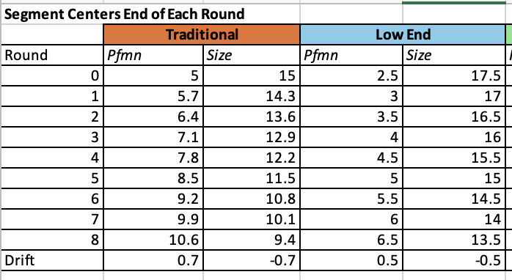
 |  |  |  |  |  |  |  |  |  |  |  |  |  |  |  |  | 2024-04-03 | 2.87 | 17.13
 |  |  |  |  |  |  |  |  |  |  |  |  |  |  |  |  | 2024-05-03 | 2.91 | 17.09
 |  |  |  |  |  |  |  |  |  |  |  |  |  |  |  |  | 2024-06-03 | 2.95 | 17.05
 |  |  |  |  |  |  |  |  |  |  |  |  |  |  |  |  | 2024-07-03 | 2.99 | 17.01
 |  |  |  |  |  |  |  |  |  |  |  |  |  |  |  |  | 2024-08-03 | 3.03 | 16.97
 |  |  |  |  |  |  |  |  |  |  |  |  |  |  |  |  | 2024-09-03 | 3.08 | 16.93
 |  |  |  |  |  |  |  |  |  |  |  |  |  |  |  |  | 2024-10-03 | 3.12 | 16.88
 |  |  |  |  |  |  |  |  |  |  |  |  |  |  |  |  | 2024-11-03 | 3.16 | 16.84
 |  |  |  |  |  |  |  |  |  |  |  |  |  |  |  |  | 2024-12-03 | 3.20 | 16.80
 |  |  |  |  |  |  |  |  |  |  |  |  |  |  |  |  | 2024-01-04 | 3.24 | 16.76
 |  |  |  |  |  |  |  |  |  |  |  |  |  |  |  |  | 2024-02-04 | 3.28 | 16.72
 |  |  |  |  |  |  |  |  |  |  |  |  |  |  |  |  | 2024-03-04 | 3.33 | 16.68
 |  |  |  |  |  |  |  |  |  |  |  |  |  |  |  |  | 2024-04-04 | 3.37 | 16.63
 |  |  |  |  |  |  |  |  |  |  |  |  |  |  |  |  | 2024-05-04 | 3.41 | 16.59
 |  |  |  |  |  |  |  |  |  |  |  |  |  |  |  |  | 2024-06-04 | 3.45 | 16.55
 |  |  |  |  |  |  |  |  |  |  |  |  |  |  |  |  | 2024-07-04 | 3.49 | 16.51
 | Round 4 |  |  |  |  |  |  |  |  |  |  |  |  |  |  |  | 2024-08-04 | 3.53 | 16.47
 | Cedar | 18% | 2,556 | 2029-05-03 |  | 3 | 17 | $16.75 |  |  |  |  |  |  |  |  | 2024-09-04 | 3.58 | 16.43
 | Feat | 18% | 2,556 | 4/21/2028 | YES | 3.2 | 16.8 | $17.00 |  |  |  |  |  |  |  |  | 2024-10-04 | 3.62 | 16.38
 | Bead | 17% | 2,373 | 7/15/2028 |  | 3.7 | 16.3 | $19.00 |  |  |  |  |  |  |  |  | 2024-11-04 | 3.66 | 16.34
 | Ebb | 16% | 2,283 | 2/19/2029 |  | 3 | 17 | $17.50 |  |  |  |  |  |  |  |  | 2024-12-04 | 3.70 | 16.30
 | Acre | 15% | 2,038 | 5/18/2029 | YES | 2.5 | 17 | $16.00 |  |  |  |  |  |  |  |  | 2024-01-05 | 3.74 | 16.26
 | Dell | 13% | 1,881 | 1/29/2025 | YES | 3 | 17 | $17.00 |  |  |  |  |  |  |  |  | 2024-02-05 | 3.78 | 16.22
 | Apple | 1% | 199 | 4/21/2030 | YES | 3.2 | 16.8 | $17.50 |  |  |  |  |  |  |  |  | 2024-03-05 | 3.83 | 16.18
 |  |  |  |  |  |  |  |  |  |  |  |  |  |  |  |  | 2024-04-05 | 3.87 | 16.13
 |  |  |  |  |  |  |  |  |  |  |  |  |  |  |  |  | 2024-05-05 | 3.91 | 16.09
 | Round 5 |  |  |  |  |  |  |  |  |  |  |  |  |  |  |  | 2024-06-05 | 3.95 | 16.05
 | Acre (1.90) | 18% | 2,871 | 5/18/2029 |  | 4 | 16 | $14.10 |  |  |  |  |  |  |  |  | 2024-07-05 | 3.99 | 16.01
 | Bead (2.00) | 18% | 2,829 | 8/27/2030 |  | 3.7 | 16.3 | $17.00 |  |  |  |  |  |  |  |  | 2024-08-05 | 4.03 | 15.97
 | Feat (0.50) | 17% | 2,675 | 8/13/2030 |  | 3.2 | 16.8 | $16.50 |  |  |  |  |  |  |  |  | 2024-09-05 | 4.08 | 15.93
 | Ebb (1.00) | 15% | 2,390 | 2/19/2029 |  | 3.7 | 16.3 | $16.50 |  |  |  |  |  |  |  |  | 2024-10-05 | 4.12 | 15.88
 | Cedar (0.75) | 15% | 2,337 | 2029-05-03 |  | 4.2 | 15.8 | $16.00 |  |  |  |  |  |  |  |  | 2024-11-05 | 4.16 | 15.84
 | Dell (0.30) | 13% | 2,035 | 11/21/2029 |  | 3.9 | 16 | $16.70 |  |  |  |  |  |  |  |  | 2024-12-05 | 4.20 | 15.80
 | Apple (0.00) | 2% | 298 | 4/21/2030 | YES | 3.2 | 16.8 | $17.50 |  |  |  |  |  |  |  |  | 2024-01-06 | 4.24 | 15.76
 |  |  |  |  |  |  |  |  |  |  |  |  |  |  |  |  | 2024-02-06 | 4.28 | 15.72
 |  |  |  |  |  |  |  |  |  |  |  |  |  |  |  |  | 2024-03-06 | 4.33 | 15.68
 |  |  |  |  |  |  |  |  |  |  |  |  |  |  |  |  | 2024-04-06 | 4.37 | 15.63
 |  |  |  |  |  |  |  |  |  |  |  |  |  |  |  |  | 2024-05-06 | 4.41 | 15.59
 |  |  |  |  |  |  |  |  |  |  |  |  |  |  |  |  | 2024-06-06 | 4.45 | 15.55
 |  |  |  |  |  |  |  |  |  |  |  |  |  |  |  |  | 2024-07-06 | 4.49 | 15.51
 |  |  |  |  |  |  |  |  |  |  |  |  |  |  |  |  | 2024-08-06 | 4.53 | 15.47
 |  |  |  |  |  |  |  |  |  |  |  |  |  |  |  |  | 2024-09-06 | 4.58 | 15.43
 |  |  |  |  |  |  |  |  |  |  |  |  |  |  |  |  | 2024-10-06 | 4.62 | 15.38
 |  |  |  |  |  |  |  |  |  |  |  |  |  |  |  |  | 2024-11-06 | 4.66 | 15.34
 |  |  |  |  |  |  |  |  |  |  |  |  |  |  |  |  | 2024-12-06 | 4.70 | 15.30
 |  |  |  |  |  |  |  |  |  |  |  |  |  |  |  |  | 2024-01-07 | 4.74 | 15.26
 |  |  |  |  |  |  |  |  |  |  |  |  |  |  |  |  | 2024-02-07 | 4.78 | 15.22
 |  |  |  |  |  |  |  |  |  |  |  |  |  |  |  |  | 2024-03-07 | 4.83 | 15.18
 |  |  |  |  |  |  |  |  |  |  |  |  |  |  |  |  | 2024-04-07 | 4.87 | 15.13
 |  |  |  |  |  |  |  |  |  |  |  |  |  |  |  |  | 2024-05-07 | 4.91 | 15.09
 |  |  |  |  |  |  |  |  |  |  |  |  |  |  |  |  | 2024-06-07 | 4.95 | 15.05
 |  |  |  |  |  |  |  |  |  |  |  |  |  |  |  |  | 2024-07-07 | 4.99 | 15.01
 |  |  |  |  |  |  |  |  |  |  |  |  |  |  |  |  | 2024-08-07 | 5.03 | 14.97
 |  |  |  |  |  |  |  |  |  |  |  |  |  |  |  |  | 2024-09-07 | 5.08 | 14.93
 |  |  |  |  |  |  |  |  |  |  |  |  |  |  |  |  | 2024-10-07 | 5.12 | 14.88
 |  |  |  |  |  |  |  |  |  |  |  |  |  |  |  |  | 2024-11-07 | 5.16 | 14.84
 |  |  |  |  |  |  |  |  |  |  |  |  |  |  |  |  | 2024-12-07 | 5.20 | 14.80
 |  |  |  |  |  |  |  |  |  |  |  |  |  |  |  |  | 2024-01-08 | 5.24 | 14.76
 |  |  |  |  |  |  |  |  |  |  |  |  |  |  |  |  | 2024-02-08 | 5.28 | 14.72
 |  |  |  |  |  |  |  |  |  |  |  |  |  |  |  |  | 2024-03-08 | 5.33 | 14.68
 |  |  |  |  |  |  |  |  |  |  |  |  |  |  |  |  | 2024-04-08 | 5.37 | 14.63
 |  |  |  |  |  |  |  |  |  |  |  |  |  |  |  |  | 2024-05-08 | 5.41 | 14.59
 |  |  |  |  |  |  |  |  |  |  |  |  |  |  |  |  | 2024-06-08 | 5.45 | 14.55
 |  |  |  |  |  |  |  |  |  |  |  |  |  |  |  |  | 2024-07-08 | 5.49 | 14.51
 |  |  |  |  |  |  |  |  |  |  |  |  |  |  |  |  | 2024-08-08 | 5.53 | 14.47
 |  |  |  |  |  |  |  |  |  |  |  |  |  |  |  |  | 2024-09-08 | 5.58 | 14.43
 |  |  |  |  |  |  |  |  |  |  |  |  |  |  |  |  | 2024-10-08 | 5.62 | 14.38
 |  |  |  |  |  |  |  |  |  |  |  |  |  |  |  |  | 2024-11-08 | 5.66 | 14.34
 |  |  |  |  |  |  |  |  |  |  |  |  |  |  |  |  | 2024-12-08 | 5.70 | 14.30

Round 5 Low End
The correct move its to move the product to R6 ideal position (4.7 - 15.3) in Round 4 or 5 (FROM REDDIT)

Don't Move
 | Ideal Position |  | Placement
 | Pfmn | Size | Pfmn | Size | Age
Round 5 | 4.20 | 15.80 | 3.70 | 16.30 | 5.5
Round 6 | 4.70 | 15.30 | 3.70 | 16.30 | 6.5
Round 7 | 5.20 | 14.80 | 3.70 | 16.30 | 7.5
Round 8 | 5.70 | 14.30 | 3.70 | 16.30 | 8.5

Move to Round 5
 | Ideal Position |  | Placement
 | Pfmn | Size | Pfmn | Size | Age
Round 5 | 4.20 | 15.80 | 4.20 | 15.80 | 2.9 | (Revision Date: 21-Oct-29, Age at end of year: 2.9) | We call the dashed circle the rough cut boundary because any product outside of it “fails the rough cut” and is dropped from consideration.
Round 6 | 4.70 | 15.30 | 4.20 | 15.80 | 3.9
Round 7 | 5.20 | 14.80 | 4.20 | 15.80 | 4.9
Round 8 | 5.70 | 14.30 | 4.20 | 15.80 | 5.9 |  | The solid inner circle defines the heart of the segment. Customers prefer products within this circle. We call the inner circle the fine cut because products within it “make the fine cut.”

Move to Round 6
 | Ideal Position |  | Placement |  |  |  | https://www.desmos.com/calculator/xz4li7yvmx
 | Pfmn | Size | Pfmn | Size | Age |  | This circle is for round 8
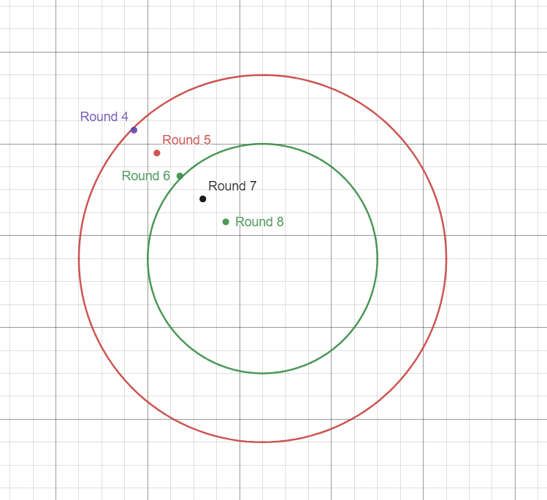
Round 5 | 4.20 | 15.80 | 4.70 | 15.30 | 5.5
Round 6 | 4.70 | 15.30 | 4.70 | 15.30 | 3.6 | Revision date: 09-Feb-30, Age: 2.8
Round 7 | 5.20 | 14.80 | 4.70 | 15.30 | 4.6
Round 8 | 5.70 | 14.30 | 4.70 | 15.30 | 5.6

Move to Round 7
 | Ideal Position |  | Placement
 | Pfmn | Size | Pfmn | Size | Age
Round 5 | 4.20 | 15.80 | 5.20 | 14.80 | 5.5
Round 6 | 4.70 | 15.30 | 5.20 | 14.80 | 3.5 | Revision date: 28-May-30, Age: 3.0
Round 7 | 5.20 | 14.80 | 5.20 | 14.80 | 4.5
Round 8 | 5.70 | 14.30 | 5.20 | 14.80 | 5.5

Move to Round 8
 | Ideal Position |  | Placement
 | Pfmn | Size | Pfmn | Size | Age
Round 5 | 4.20 | 15.80 | 5.70 | 14.30 | 5.5
Round 6 | 4.70 | 15.30 | 5.70 | 14.30 | 3.4 | (Revision Date: 27-Aug-30, Age: 3.1)
Round 7 | 5.20 | 14.80 | 5.70 | 14.30 | 4.4
Round 8 | 5.70 | 14.30 | 5.70 | 14.30 | 5.4

Units Sold
 | Traditional | Low End | High End | High End | Performance | Size | Size
Segment | Baker | Bead | Bid | Bear | Bold | Buddy | Bee | 2,126
Round 0 | 961 | 1493 | 366 |  | 317 | 307 |  | 3,911
Round 1 | 1268 | 1835 | 521 |  | 451 | 341 |  | 1,289
Round 2 | 1828 | 2411 | 730 |  | 553 | 522 |  | 1,198
Round 3 | 1805 | 2280 | 895 | 436 | 797 | 807 |  | 1,055
Round 4 | 1915 | 2373 | 1052 | 610 | 948 | 985 | 420 | 1,272
Round 5 | 2003 | 2829 | 1224 | 1210 | 1028 | 902 | 813 | 1,068
Round 6 | 1893 | 3491 | 1087 | 1080 | 980 | 883 | 879
Round 7 | 2,126 | 3,911 | 1,289 | 1,198 | 1,055 | 1,272 | 1,068
Baker, Bead, Bid, Bear, Bold…
Round 8

Round 4
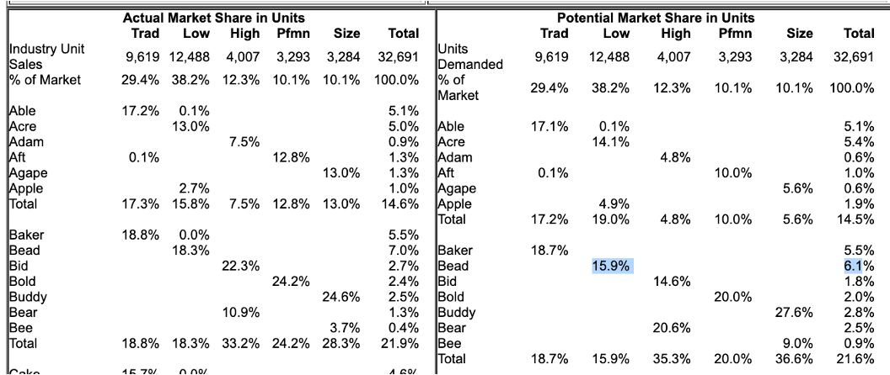
Average Case
 | Traditional | Low End | High End | Performance | Size
Growth Rate | 9.20% | 11.70% | 16.20% | 19.80% | 18.30%
Round
0 | 7387.00 | 8960.00 | 2554.00 | 1915.00 | 1984.00
1 | 8066.60 | 10008.32 | 2967.75 | 2294.17 | 2347.07
2 | 8808.73 | 11179.29 | 3448.52 | 2748.42 | 2776.59
3 | 9619.13 | 12487.27 | 4007.18 | 3292.60 | 3284.70
4 | 10504.10 | 13948.28 | 4656.35 | 3944.54 | 3885.80
5 | 11470.47 | 15580.23 | 5410.68 | 4725.56 | 4596.90
6 | 12525.76 | 17403.12 | 6287.21 | 5661.22 | 5438.14
7 | 13678.12 | 19439.28 | 7305.73 | 6782.14 | 6433.32
8 | 14936.51 | 21713.68 | 8489.26 | 8125.00 | 7610.61

 | Potential Market Share in Units |  |  |  |  |  |  |  |  |  |  |  | Current Market Share
 |  | Trad | Low | High | Pfmn | Size | Total | Potential Demand | Potential Market Share |  |  |  |  | Trad | Low | High | Pfmn | Size | Total | Total Demand | Current Market Share
 | Units (round 3) | 9,619 | 12,487 | 4,007 | 3,293 | 3,285 | 32,691 |  |  |  |  |  | Units (round 3) | 9,619 | 12,487 | 4,007 | 3,293 | 3,285 | 32,691
 | % of Market | 29.42% | 38.20% | 12.26% | 10.07% | 10.05% | 100.00% |  |  |  |  |  | % of Market | 29.42% | 38.20% | 12.26% | 10.07% | 10.05% | 100.00%
 | Demanded: |  |  |  |  |  |  |  |  |  |  |  | Demanded: |  |  |  |  |  |  |  |  |  | Difference (potential - current)
 | Baker | 18.70% |  |  |  |  | 5.50% | 1799 | 18.70% |  |  |  | Baker | 18.80% | 0.00% |  |  |  | 5.50% | 1808 | 18.80% | MS decreased | 0.10% | out-preformed
 | Bead |  | 15.90% |  |  |  | 6.10% | 1985 | 15.90% |  |  |  | Bead |  | 18.30% |  |  |  | 7.00% | 2285 | 18.30% | MS decreased | 2.40% | out-preformed
 | Bid |  |  | 14.60% |  |  | 1.80% | 585 | 14.60% |  |  |  | Bid |  |  | 22.30% |  |  | 2.70% | 894 | 22.30% |  | 7.70% | out-preformed
 | Bold |  |  |  | 20.00% |  | 2.00% | 659 | 20.00% |  |  |  | Bold |  |  |  | 24.20% |  | 2.40% | 797 | 24.20% |  | 4.20% | out-preformed
 | Buddy |  |  |  |  | 27.60% | 2.80% | 907 | 27.60% |  |  |  | Buddy |  |  |  |  | 24.60% | 2.50% | 808 | 24.60% |  | -3.00% | underpreformed
 | Bear |  |  | 20.60% |  |  | 2.50% | 825 | 20.60% |  |  |  | Bear |  |  | 10.90% |  |  | 1.30% | 437 | 10.90% |  | -9.70% | underpreformed
 | Bee |  |  |  |  | 9.00% | 0.90% | 296 | 9.00% |  |  |  | Bee |  |  |  |  | 3.70% | 0.40% | 122 | 3.70% |  | -5.30% | underpreformed
 | Total | 18.70% | 15.90% | 35.30% | 20.00% | 36.60% | 21.60% | 7060 |  |  |  |  | Total | 18.80% | 18.30% | 33.20% | 24.20% | 28.30% | 21.90% | 7150

 | Segment | Name | Growth | Potential Demand | Increase in Forecast | Forecast | Target MS |  |  |  |  |  | Segment | Name | Demand (round 4) | Current MS | Increase/Decrease MS | Forecast | Target MS
 | Trad | Baker | 9.20% | 1799 | 8% | 2121 | 20.20% |  |  |  |  |  | Trad | Baker | 10,504 | 18.80% | 2.0% | 2,185 | 20.80%
 | Low | Bead | 11.70% | 1985 | 22% | 2706 | 19.40% |  |  |  |  |  | Low | Bead | 13,948 | 18.30% | 2.0% | 2,832 | 20.30%
 | High | Bid | 16.20% | 585 | 65% | 1122 | 24.09% |  |  |  |  |  | High | Bid | 4,656 | 22.30% | 1.0% | 1,085 | 23.30%
 | Pfmn | Bold | 19.80% | 659 | 28% | 1010 | 25.60% |  |  |  |  |  | Pfmn | Bold | 3,945 | 24.20% | 1.0% | 994 | 25.20%
 | Size | Buddy | 18.30% | 907 | 1% | 1083 | 27.88% |  |  |  |  |  | Size | Buddy | 3,886 | 24.60% | 2.5% | 1,053 | 27.10%
 | High | Bear | 16.20% | 825 | 0% | 959 | 20.60% |  |  |  |  |  | High | Bear | 4,656 | 10.90% | 5.0% | 740 | 15.90%
 | Size | Bee | 19.80% | 296 | 2% | 361 | 9.30% |  |  |  |  |  | Size | Bee | 3,886 | 3.70% | 6.0% | 377 | 9.70%

 |  |  |  |  |  |  | SUMMARY

 |  |  |  |  |  |  | Segment | Name | Units Sold | Inventory | Prof Method | Potential Method | Average Forecast | Production - Inv. | Capacity | 2nd Shift | MS (forecast) | MS (production) | Sell/Add
 |  |  |  |  |  |  | Trad | Baker | 1,807 | 569 | 2,185 | 2121 | 2,153 | 1822 | 1,550 | 18% | 20.50% | 17.34% | 272
 |  |  |  |  |  |  | Low | Bead | 2,280 | 713 | 2,832 | 2706 | 2,769 | 2364 | 2,000 | 18% | 19.85% | 16.95% | 364
 |  |  |  |  |  |  | High | Bid | 895 | 56 | 1,085 | 1122 | 1,103 | 1204 | 730 | 65% | 23.70% | 25.87% | 474
 |  |  |  |  |  |  | Pfmn | Bold | 797 | 0 | 994 | 1010 | 1,002 | 1152 | 600 | 92% | 25.40% | 29.21% | 552 | stockout
 |  |  |  |  |  |  | Size | Buddy | 807 | 0 | 1,053 | 1083 | 1,068 | 1228 | 625 | 97% | 27.49% | 31.61% | 603 | stockout
 |  |  |  |  |  |  | High | Bear | 436 | 0 | 740 | 959 | 850 | 977 | 350 | 179% | 18.25% | 20.99% | 627 | stockout
 |  |  |  |  |  |  | Size | Bee | 121 | 0 | 377 | 361 | 369 | 424 | 300 | 41% | 9.50% | 10.92% | 124 | stockout

 |  |  |  |  |  |  |  |  |  |  |  |  |  | *Production overestimate by 15%
 |  |  |  |  |  |  | REDUCED FORECAST
 |  |  |  |  |  |  | Pfmn | Bold | 797 | 0 |  |  | 872 | 1002 | 600 | 67% | 22.10% | 25.41% | 402
 |  |  |  |  |  |  | Size | Buddy | 807 | 0 |  |  | 908 | 1044 | 625 | 67% | 23.36% | 26.87% | 419
 |  |  |  |  |  |  | High | Bear | 436 | 0 |  |  | 535 | 616 | 350 | 76% | 11.50% | 13.22% | 266

 |  |  |  |  |  |  | TQM increases demand do we what to factor that in?

Round 1
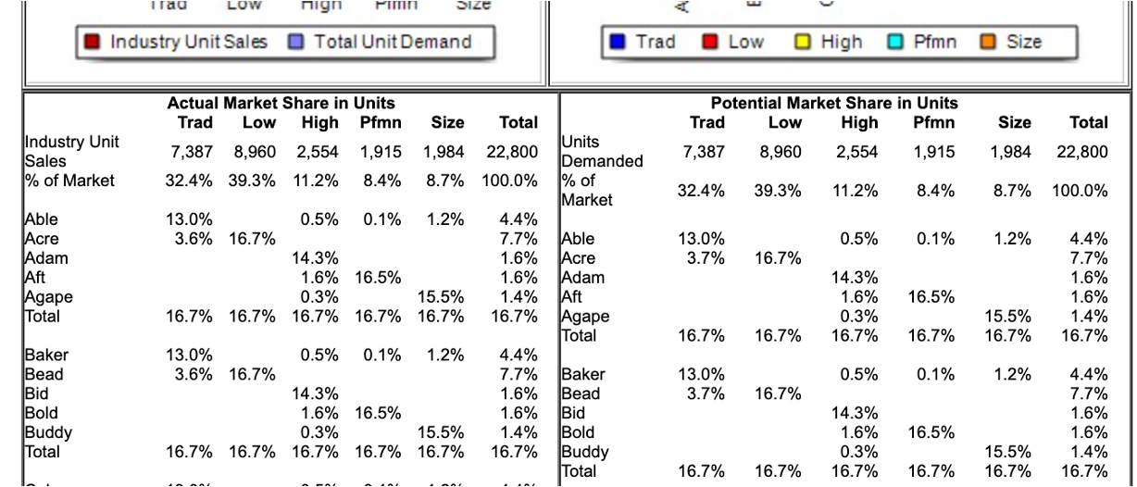
Average Case - Projected Industry Demand
 | Traditional | Low End | High End | Performance | Size |  |  |  |  |  |  |  |  |  |  | AVERAGE BOTH METHODS
Growth Rate | 9.20% | 11.70% | 16.20% | 19.80% | 18.30% |  |  |  |  |  |  |  |  |  |  | Potential Method | Prof Method | Average Forecast | Production Forecast | Current Capacity | Sell/Add
Round |  |  |  |  |  |  |  |  |  |  |  |  |  |  |  | 1145 | 1,210 | 1178 | 1354 | 1,800 | (446)
0 | 7,387 | 8,960 | 2,554 | 1,915 | 1,984 |  |  |  |  |  |  |  |  |  |  | 2076 | 1,902 | 1989 | 2287 | 1,400 | 887
1 | 8,067 | 10,008 | 2,968 | 2,294 | 2,347 |  |  |  |  |  |  |  |  |  |  | 446 | 475 | 460 | 529 | 900 | (371)
2 | 8,809 | 11,179 | 3,449 | 2,748 | 2,777 |  |  |  |  |  |  |  |  |  |  | 449 | 436 | 442 | 509 | 600 | (91)
3 | 9,619 | 12,487 | 4,007 | 3,293 | 3,285 |  |  |  |  |  |  |  |  |  |  | 392 | 399 | 395 | 455 | 600 | (145)
4 | 10,504 | 13,948 | 4,656 | 3,945 | 3,886
5 | 11,470 | 15,580 | 5,411 | 4,726 | 4,597 |  |  |  |  |  |  |  |  |  |  | Overestimate Production By: |  | 15%
6 | 12,526 | 17,403 | 6,287 | 5,661 | 5,438
7 | 13,678 | 19,439 | 7,306 | 6,782 | 6,433 |  |  |  |  |  |  |  |  |  |  |  |  | THIS WILL IMPROVE BALANCE SCORECARD
8 | 14,937 | 21,714 | 8,489 | 8,125 | 7,611 |  |  |  |  |  |  |  |  |  |  |  |  | Production Forecast | Inventory | Production Schedule
 |  |  |  |  |  |  |  |  |  |  |  |  |  |  |  |  |  | 1354 | 189 | 1165
 |  |  |  |  |  |  |  |  |  |  |  |  |  |  |  |  |  | 2287 | 39 | 2248
 |  |  |  |  |  |  |  |  |  |  |  |  |  |  |  |  |  | 529 | 40 | 489
Prof Method |  |  |  |  | For Marketing |  | Potential Market Share in Units |  |  |  |  |  |  |  |  |  |  | 509 | 78 | 431
Segment | Name | Demand in Next Round (1) | Market Share (current) | Increase/Decrease in MS | Projected Forecast |  |  | Trad | Low | High | Pfmn | Size | Total | Potential Demand | Market Share |  |  | 455 | 62 | 393
Trad | Baker | 8067 | 13% | 2% | 1210 |  | Units (round 0) | 7387.00 | 8960.00 | 2554.00 | 1915.00 | 1984.00 | 22800.00
Low | Bead | 10008 | 17% | 2% | 1902 |  | % of Market | 32.40% | 39.30% | 11.20% | 8.40% | 8.70% | 100.00%
High | Bid | 2968 | 14% | 2% | 475 |  | Demanded:
Pfmn | Bold | 2294 | 17% | 2% | 436 |  | Baker | 13.00% |  | 0.50% | 0.10% | 1.20% | 4.40% | 998.80 | 13.52%
Size | Buddy | 2347 | 15% | 2% | 399 |  | Bead | 3.70% | 16.70% |  |  |  | 7.70% | 1769.64 | 19.75%
 |  |  |  |  |  |  | Bid |  |  | 14.30% |  |  | 1.60% | 365.22 | 14.30%
 |  |  |  |  |  |  | Bold |  |  | 1.60% | 16.50% |  | 1.60% | 356.84 | 18.63%
Segment | Name | Demand in Next Round (2) | Market Share (current) | Increase/Decrease in MS | Projected Forecast |  | Buddy |  |  | 0.30% |  | 15.50% | 1.40% | 315.18 | 15.89%
Trad | Baker | 8809 | 15.7% | 3.0% | 1647 |  | Total | 16.70% | 16.70% | 16.70% | 16.70% | 16.70% | 16.70% | 3807.60
Low | Bead | 11179 | 18.3% | 1.5% | 2214 | 1944
High | Bid | 3449 | 17.6% | 2.0% | 676
Pfmn | Bold | 2748 | 19.7% | 1.0% | 569 | 540 | Segment | Name | Units Sold | Inventory | Market Share | Growth | Potential Demand | Forecast
Size | Buddy | 2777 | 14.5% | 3.0% | 486 | 376 | Trad | Baker | 999 | 189 | 13% | 9.20% | 999 | 1145
 |  |  |  |  |  |  | Low | Bead | 1,763 | 39 | 17% | 11.70% | 1770 | 2076
 |  |  |  |  |  |  | High | Bid | 366 | 40 | 14% | 16.20% | 365 | 446
 |  |  |  |  |  |  | Pfmn | Bold | 358 | 78 | 17% | 19.80% | 357 | 449
 |  |  |  |  |  |  | Size | Buddy | 314 | 62 | 15% | 18.30% | 315 | 392

 |  |  |  |  |  |  |  |  |  |  |  |  | Increase in Market Share | 5%

